Mar K-8 NSLP BF-Lunch
March 2021 |  |  | Lifesource Charter |  |  |  |  | GRADE: K-8
 |  |  |  |  |  |  |  | NSLP Master Menu
 |  |  | B= |  | L= |  | S= |  | Serve w/ Milk & Fruit
Last updated: 2/5/21 at 1:05 pm |  |  |  |  |  |  |  |  | Menus subject to change.
MONDAY |  | TUESDAY |  | WEDNESDAY |  | THURSDAY |  | FRIDAY
RED/ORANGE |  | STARCHY |  | DARK GREEN |  | LEGUMES |  | OTHER
1 |  | 2 |  | 3 |  | 4 |  | 5
 | Strawberry Muffin |  | Pancakes (2) |  | Coffee Cinnamon Crumble |  | Blueberry Muffin |  | Mexican Concha

 | Cheeseburger w/carrots (3/4c) |  | Creamy Tuscan Chicken Pasta w/whole kernel corn (3/4c) |  | Penne Pasta and Meat Sauce (3/4c) w/broccoli (3/4c) |  | Breaded Chicken Patty on a HB Bun w/bbq baked beans (3/4c) |  | Pepperoni Pizza w/carrot sticks (3/4c)

S | Italian Turkey, Ham & Cheese Hoagie Sandwich w/carrot sticks (3/4c) | S | Turkey & Cheese Bagel Sandwich w/bbq corn salad (3/4c) | S | Ham & Cheese Croissant Sandwich w/broccoli (1c) | S | Cilantro Chicken Salad Hoagie Sandwich w/bbq bean salad (3/4c) | S | Turkey & Cheese Hoagie Sandwich w/carrot sticks (3/4c)

8 |  | 9 |  | 10 |  | 11 |  | 12
 |  |  | Waffles (2) |  | Coffee Cinnamon Crumble |  | Grilled Cheese Sandwich |  | Mexican Concha
 | Bagel & Jelly
 | BBQ Chicken on a HB Bun w/carrots (3/4c) |  | Beef Chili Cheese Tater Tots (3/4c) w/dinner roll |  | Spaghetti and Meatballs w/broccoli (3/4c) |  | Creamy Chicken Chipotle w/brown rice (3/4c) & pinto beans (3/4c) |  | Chicken Alfredo Pasta w/mixed vegetables (1c)

S | Italian Turkey, Ham & Cheese Hoagie Sandwich w/carrot sticks (3/4c) | S | Turkey & Cheese Bagel Sandwich w/bbq corn salad (3/4c) | S | Ham & Cheese Croissant Sandwich w/broccoli (3/4c) | S | Cilantro Chicken Salad Hoagie Sandwich w/bbq bean salad (3/4c) | S | Turkey & Cheese Hoagie Sandwich w/carrot sticks (3/4c)

15 |  | 16 |  | 17 |  | 18 |  | 19
 | Strawberry Muffin |  | Pancakes (2) |  | Coffee Cinnamon Crumble |  |  |  | Mexican Concha
 |  |  |  |  |  |  | Blueberry Muffin
 | Honey BBQ Wings w/dinner roll & carrot sticks (3/4c) |  | Chicken & Waffles w/mashed potatoes (3/4c) |  | Chicken Alfredo Pasta w/broccoli (3/4c) |  | Parmesan Cheese Pasta w/bbq bean salad (3/4c) |  | Pepperoni Pizza w/carrot sticks (3/4c)

S | Italian Turkey, Ham & Cheese Hoagie Sandwich w/carrot sticks (3/4c) | S | Turkey & Cheese Bagel Sandwich w/bbq corn salad (3/4c) | S | Ham & Cheese Croissant Sandwich w/broccoli (3/4c) | S | Cilantro Chicken Salad Hoagie Sandwich w/bbq bean salad (3/4c) | S | Turkey & Cheese Hoagie Sandwich w/carrot sticks (3/4c)

22 |  | 23 |  | 24 |  | 25 |  | 26
 | Spring Break |  | Spring Break |  | Spring Break |  | Spring Break |  | Spring Break
 | School Closed |  | School Closed |  | School Closed |  | School Closed |  | School Closed

29 |  | 30 |  | 31 |  | 1 |  | 2
 | Strawberry Muffin |  | Pancakes (2) |  | Coffee Cinnamon Crumble |  | Blueberry Muffin |  | Mexican Concha

 | BBQ Chicken on a HB Bun w/carrots (3/4c) |  | Cheeseburger w/tater tots (3/4c) |  | Spaghetti and Meatballs w/broccoli (3/4c) |  | Creamy Chicken Chipotle w/brown rice (3/4c) & pinto beans (3/4c) |  | Pepperoni Pizza w/carrot sticks (3/4c)

S | Italian Turkey, Ham & Cheese Hoagie Sandwich w/carrot sticks (3/4c) | S | Turkey & Cheese Bagel Sandwich w/bbq corn salad (3/4c) | S | Ham & Cheese Croissant Sandwich w/broccoli (3/4c) | S | Cilantro Chicken Salad Hoagie Sandwich w/bbq bean salad (3/4c) | S | Turkey & Cheese Hoagie Sandwich w/carrot sticks (3/4c)

This institution is an equal opportunity provider. |  |  |  |  |  |  |  |  | Breakfast fruit/juice portions: 1 cup & Lunch fruit/juice portions: 1/2 cup (Juice cannot exceed 50% of total weekly servings.) Milk (1 Cup) (1%/Non-fat/Non-fat Choc)
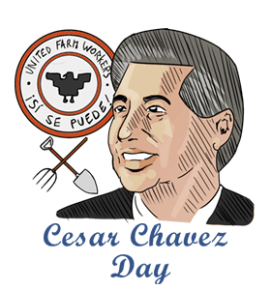
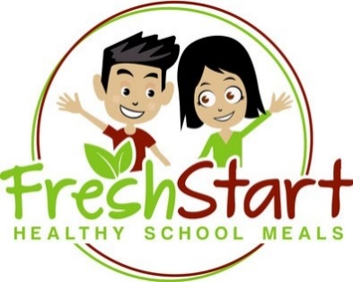
School Notes: |  |  |  |  |  |  | 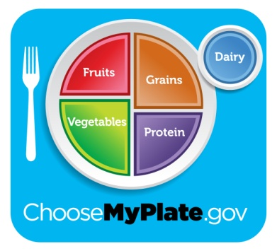

 | Breakfast-35
 | Lunch-35
 | Supper-35

 | Spring Break School is closed from 03/22/21-03/26/21
 |  |  |  |  |  |  |  | eat right, be bright!

